Front Page
Date From ___/___/_______ to ___/___/_______ | ZL3RS | Book Number _____

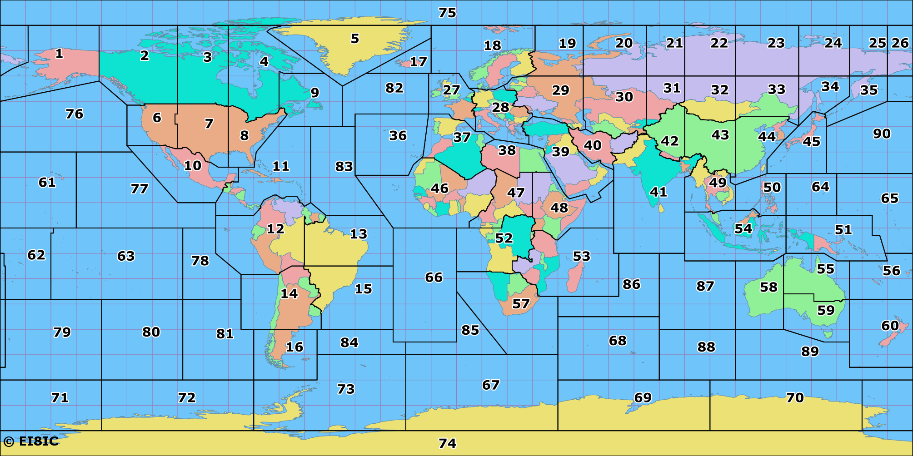

Amateur Radio Logbook

